Test Circuit
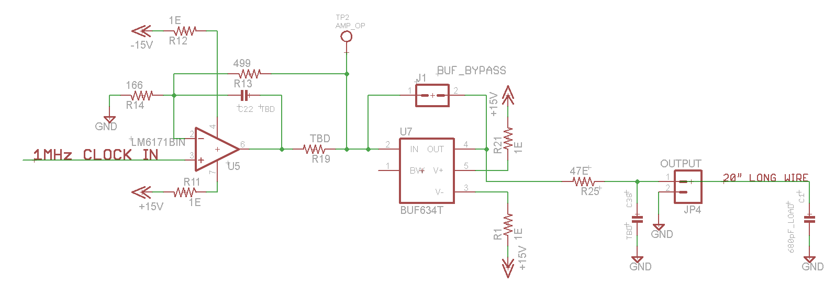

470pF
Chip | Load Capacitor | Series Resistor | Local Capacitor | Rise Time | Fall time | No LOAD Current | LOAD Current | Snapshot | Power (Load Current X 30V)/1000 | Note
 | pF | Ω | pF | nS | nS | mA | mA |  | Watt
LM7171 + LMH6321 | 470 | 27 | 300 | 40 | 40 | 26 | 30 |  | 0.9 | Current Clock Driver circuit on IFPAC-Clock Driver Card. LM7171 is Gain-4 Preamplifier and LMH 6321 300 mA buffer. Very High Power Consumption even under quiescent conditions.

LM7171 | 470 | 47 | - | 53 | 52 | 10 | 14 |  | 0.42 | LMH6321 removed and LM7171 directly used as driver. 100 mA Driving Current. Lower Power consumption and acceptable rise and fall time.

LM6171 | 470 | 47 | - | 38 | 39 | 6 | 10.7 | 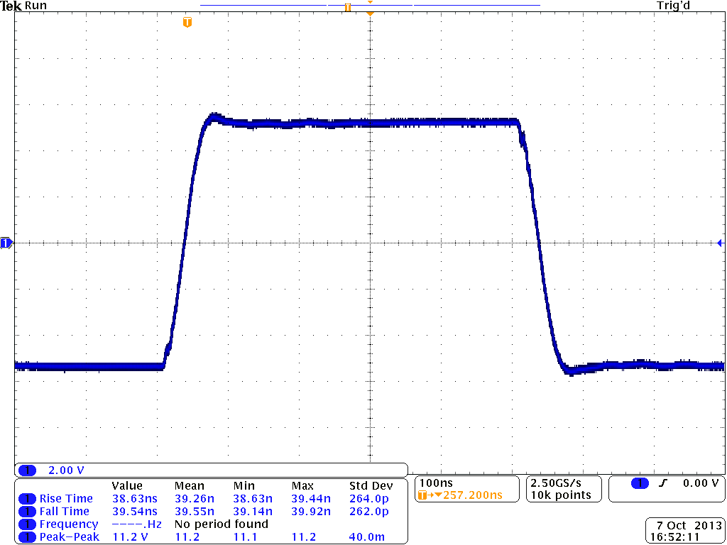 | 0.321 | LM 7171 replaced with LM 6171 amplifier having 130 mA drive current. Better performance compared to LM 7171. Acceptable Rise and Fall times and low Power Consumption. Tests carried out on test board.

LM6171 + BUF634 | 470 | 36 | - | 36 | 36 | 9 | 14 | 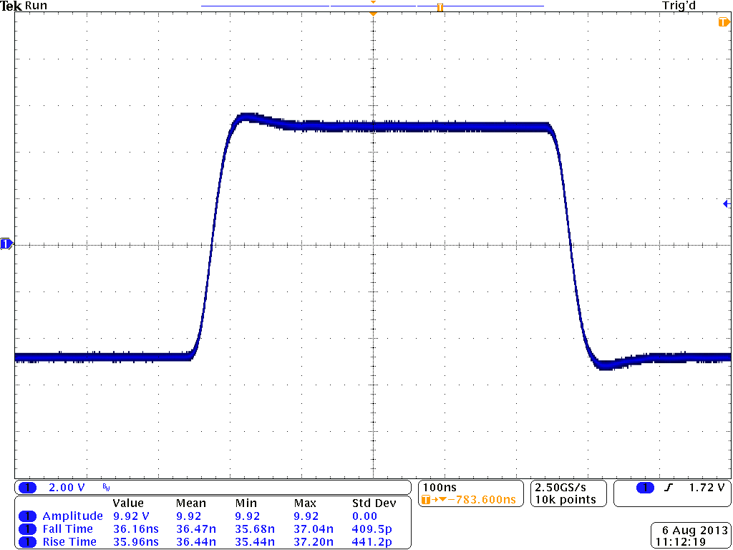 | 0.42 | Added BUF 634, 250 mA buffer to LM 6171 and tests carried out on test board. Among all combinations tired this gives the best rise and fall time performance and Power Consumption. If area available on PCB this combination may be used as Clock Driver with provision of bi-passing BUF 634 using jumper. Power Consumption is marginally higher than LM 6171 as driver.

680pF
Chip | Load Capacitor | Series Resistor | Local Capacitor | Rise Time | Fall time | No Load Current | Load Current | Snapshot | Power (Load Current X 30V)/1000 | Note
 | pF | Ω | pF | nS | nS | mA | mA |  | Watt
LM7171 + LMH6321 | 680 | 27 | 300 | 58 | 57 | 26 | 32 |  | 0.96 | Current Clock Driver circuit on IFPAC-Clock Driver Card. LM7171 is Gain-4 Preamplifier and LMH 6321 300 mA buffer. Very High Power Consumption even under quiescent conditions.

LM7171 | 680 | 47 | - | 73 | 76 |  |  |  | 0.51 | LMH6321 removed and LM7171 directly used as driver. 100 mA Driving Current. Lower Power consumption and acceptable rise and fall time.

LM6171 | 680 | 47 | - | 63 | 63 | 6 | 13.5 | 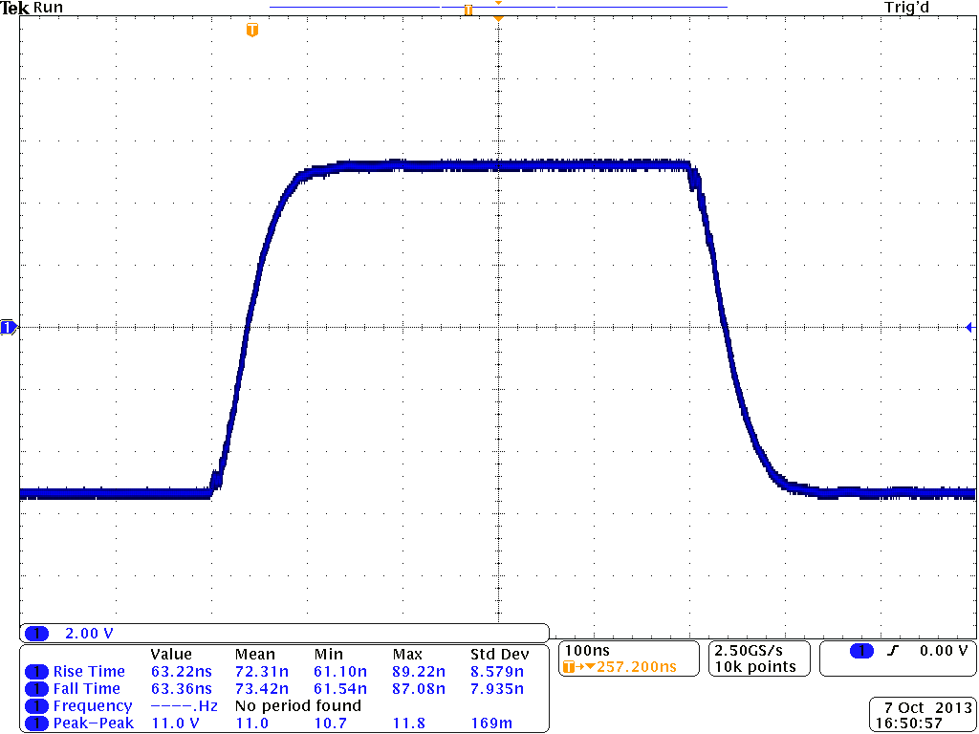 | 0.405 | LM 7171 replaced with LM 6171 amplifier having 130 mA drive current. Better performance compared to LM 7171. Acceptable Rise and Fall times and low Power Consumption. Tests carried out on test board.

LM6171 + BUF634 | 680 | 36 | - | 50 | 50 | 9 | 16 | 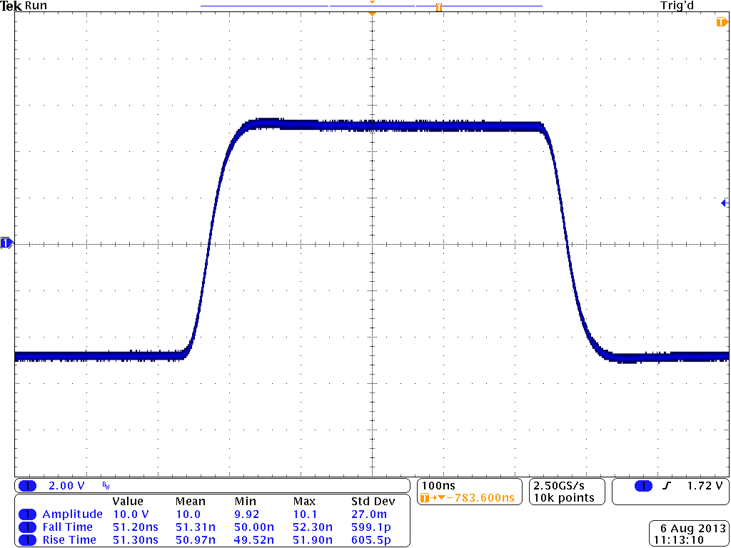 | 0.48 | Added BUF 634, 250 mA buffer to LM 6171 and tests carried out on test board. Among all combinations tired this gives the best rise and fall time performance and Power Consumption. If area available on PCB this combination may be used as Clock Driver with provision of bi-passing BUF 634 using jumper. Power Consumption is marginally higher than LM 6171 as driver.

1000pF
Chip | Load Capacitor | Series Resistor | Local Capacitor | Rise Time | Fall time | No Load Current | Load Current | Snapshot | Power (Load Current X 30V)/1000 | Note
 | pF | Ω | pF | nS | nS | mA | mA |  | Watt
LM7171 + LMH6321 | 1000 | 27 | 300 | 74 | 75 | 26 | 34 |  | 1.02 | Current Clock Driver circuit on IFPAC-Clock Driver Card. LM7171 is Gain-4 Preamplifier and LMH 6321 300 mA buffer. Very High Power Consumption even under quiescent conditions.

LM7171 | 1000 | 47 | - | 110 | 116 | 10 | 20 |  | 0.6 | LMH6321 removed and LM7171 directly used as driver. 100 mA Driving Current. Lower Power consumption and acceptable rise and fall time.

LM6171 | 1000 | 47 | - | 90 | 91 | 6 | 16.5 | 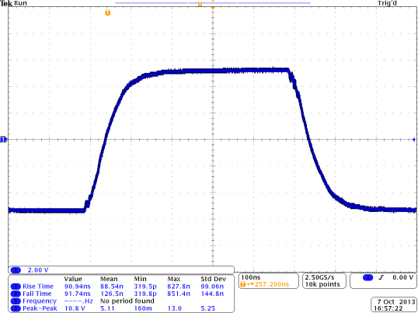 | 0.495 | LM 7171 replaced with LM 6171 amplifier having 130 mA drive current. Better performance compared to LM 7171. Acceptable Rise and Fall times and low Power Consumption. Tests carried out on test board.

LM6171 + BUF634 | 1000 | 36 | - | 72 | 70 | 9 | 19 | 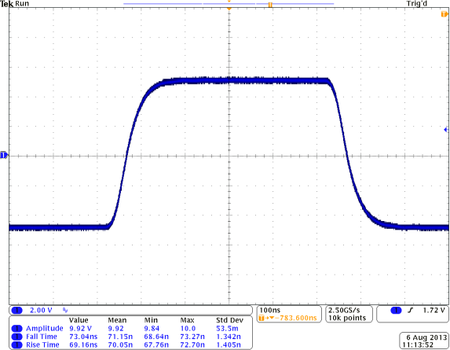 | 0.57 | Added BUF 634, 250 mA buffer to LM 6171 and tests carried out on test board. Among all combinations tired this gives the best rise and fall time performance and Power Consumption. If area available on PCB this combination may be used as Clock Driver with provision of bi-passing BUF 634 using jumper. Power Consumption is marginally higher than LM 6171 as driver.

